Analysis
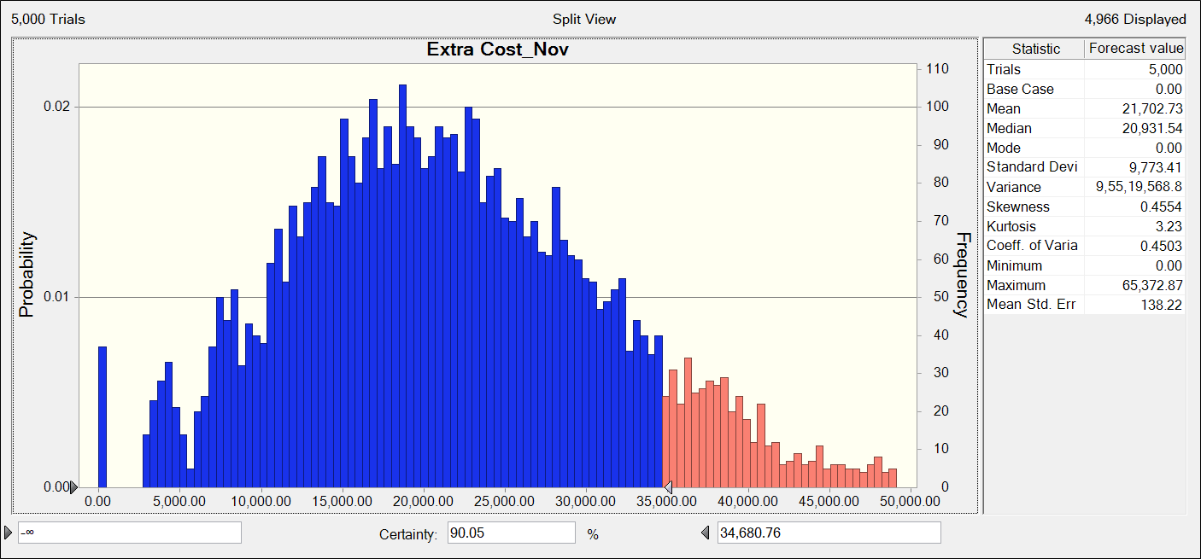
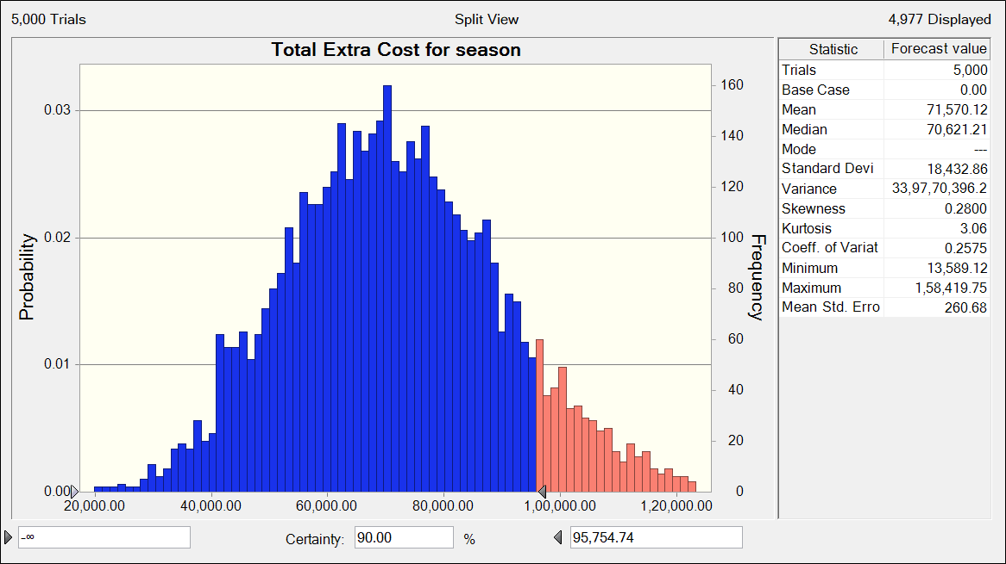

For November |  | For Entire Season

Cost incurred for giving hikes to retain employees (with 90% chance) | Rs. | Cost incurred for giving hikes to retain employees (with 90% chance) | Rs.
 | 34,681 |  | 95,755

